Sheet1
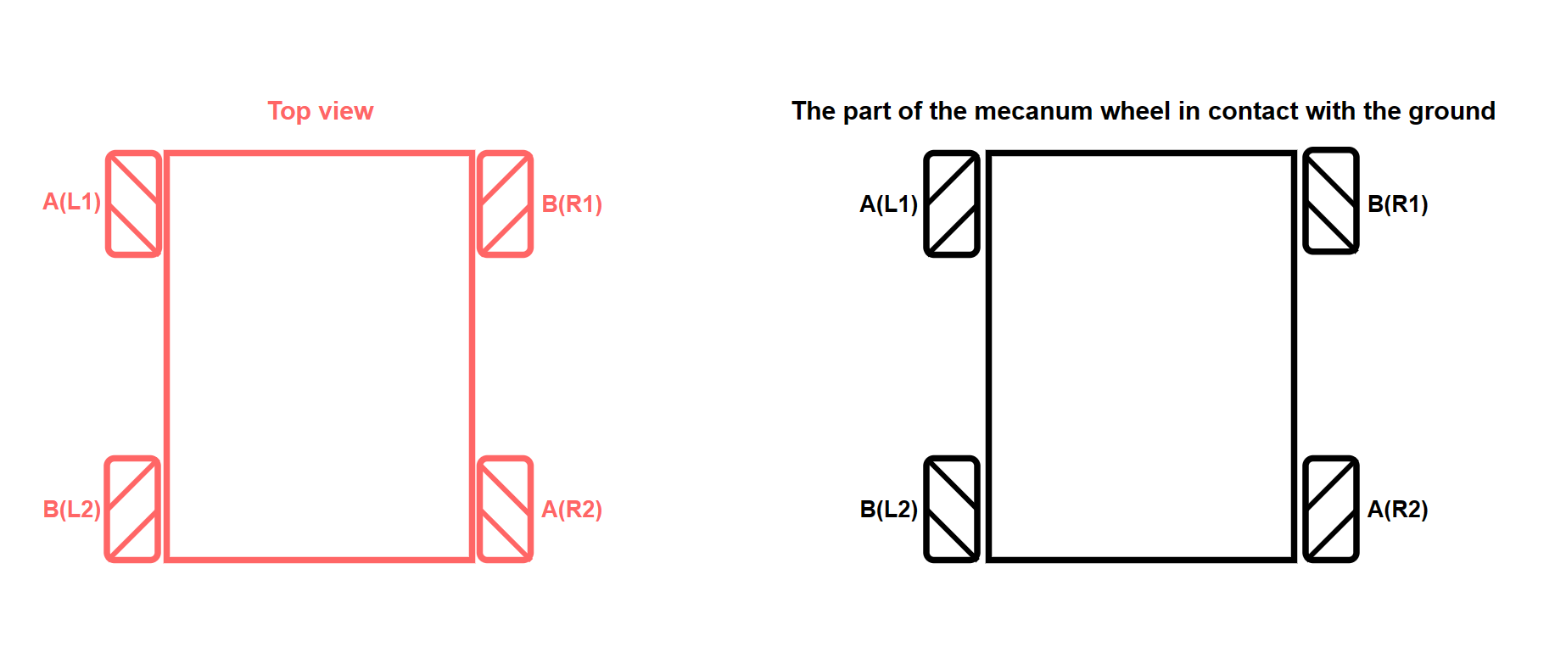
Roboduino-V2 Interface Description
Peripherals | Function | I2C register first address number（STC8GK2K64S4） | Bottom-layer chip driving mode | Arduino Uno
Left motor 1 (L1) | Controlling the way forward | 11 | I2C Communication | A4/A5
 | Controlling the way backward | 10
Left Motor 2 (L2) | Controlling the way forward | 8
 | Controlling the way backward | 9
Right motor 1 (R1) | Controlling the way forward | 13
 | Controlling the way backward | 12
Right Motor 2 (R2) | Controlling the way forward | 14
 | Controlling the way backward | 15
Servo | Control servo S1 | 0
 | Control servo S2 | 1
 | Control servo S3 | 2
 | Control servo S4 | 3
Logo Light | Controlling LED | 7
Three-way line patrol module | Left line sensor | Arduino Uno Direct Drive |  | A2
 | Middle line sensor |  |  | A1
 | Right line sensor |  |  | A0
Ultrasonic module | TRIG |  |  | 11
 | ECHO |  |  | 12
WIFI Camera Module | TX |  |  | 1
 | RX |  |  | 0
Buzzer | Control buzzer |  |  | 10
Infrared receiver | Receive infrared data |  |  | A3
KEY | Control K1 |  |  | 7
RGB | Control RGB |  |  | 6

